Developer Evidence
Note : Each validation run after tab press or click on save icon
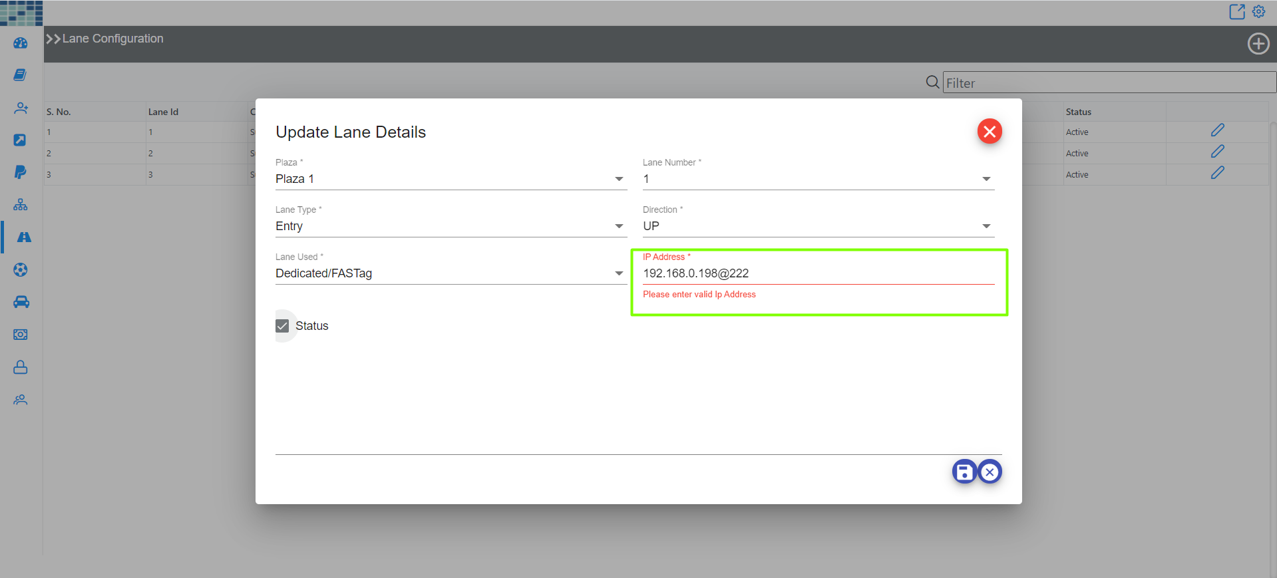
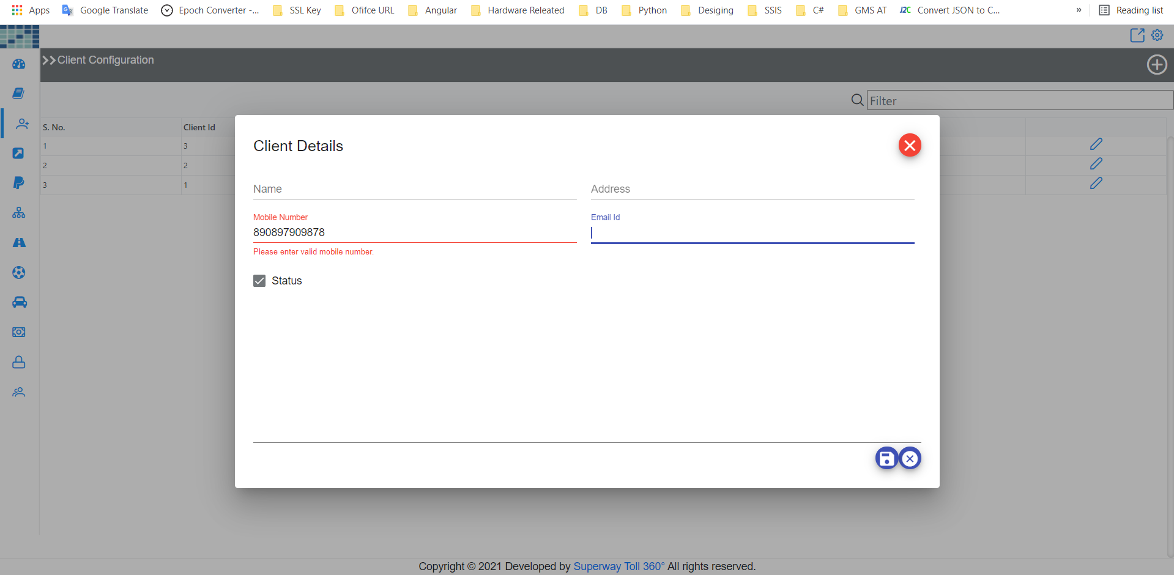

 | Bug Number 30 |  |  | Bug Number 22

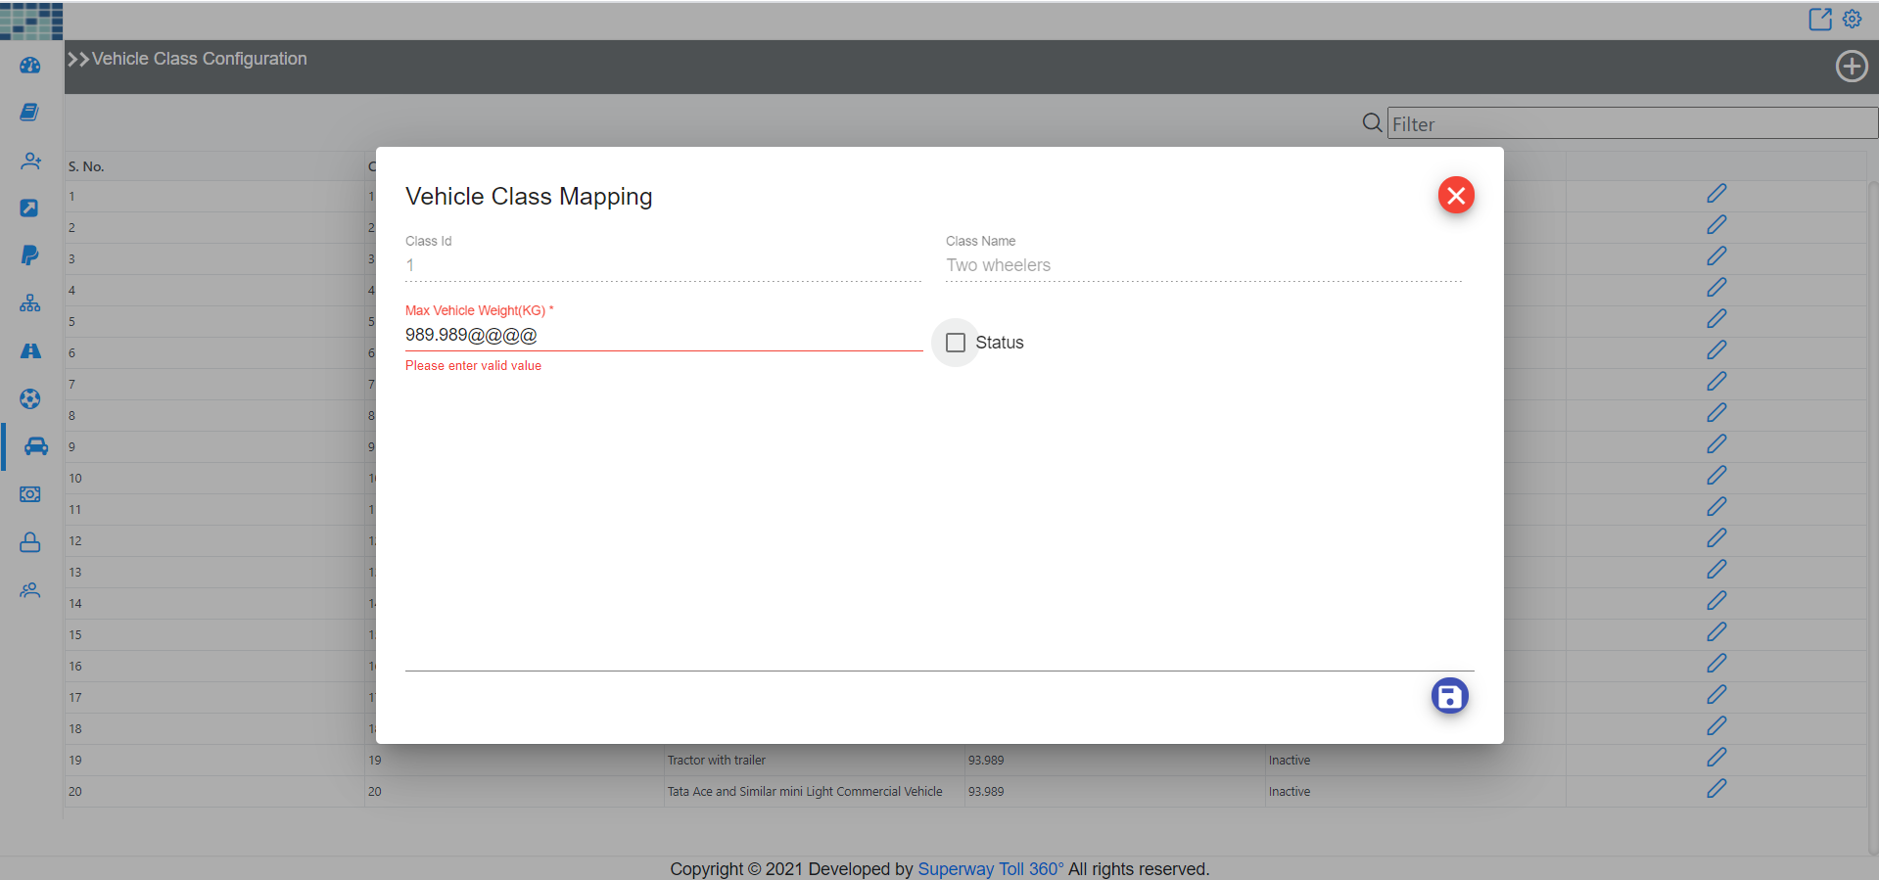
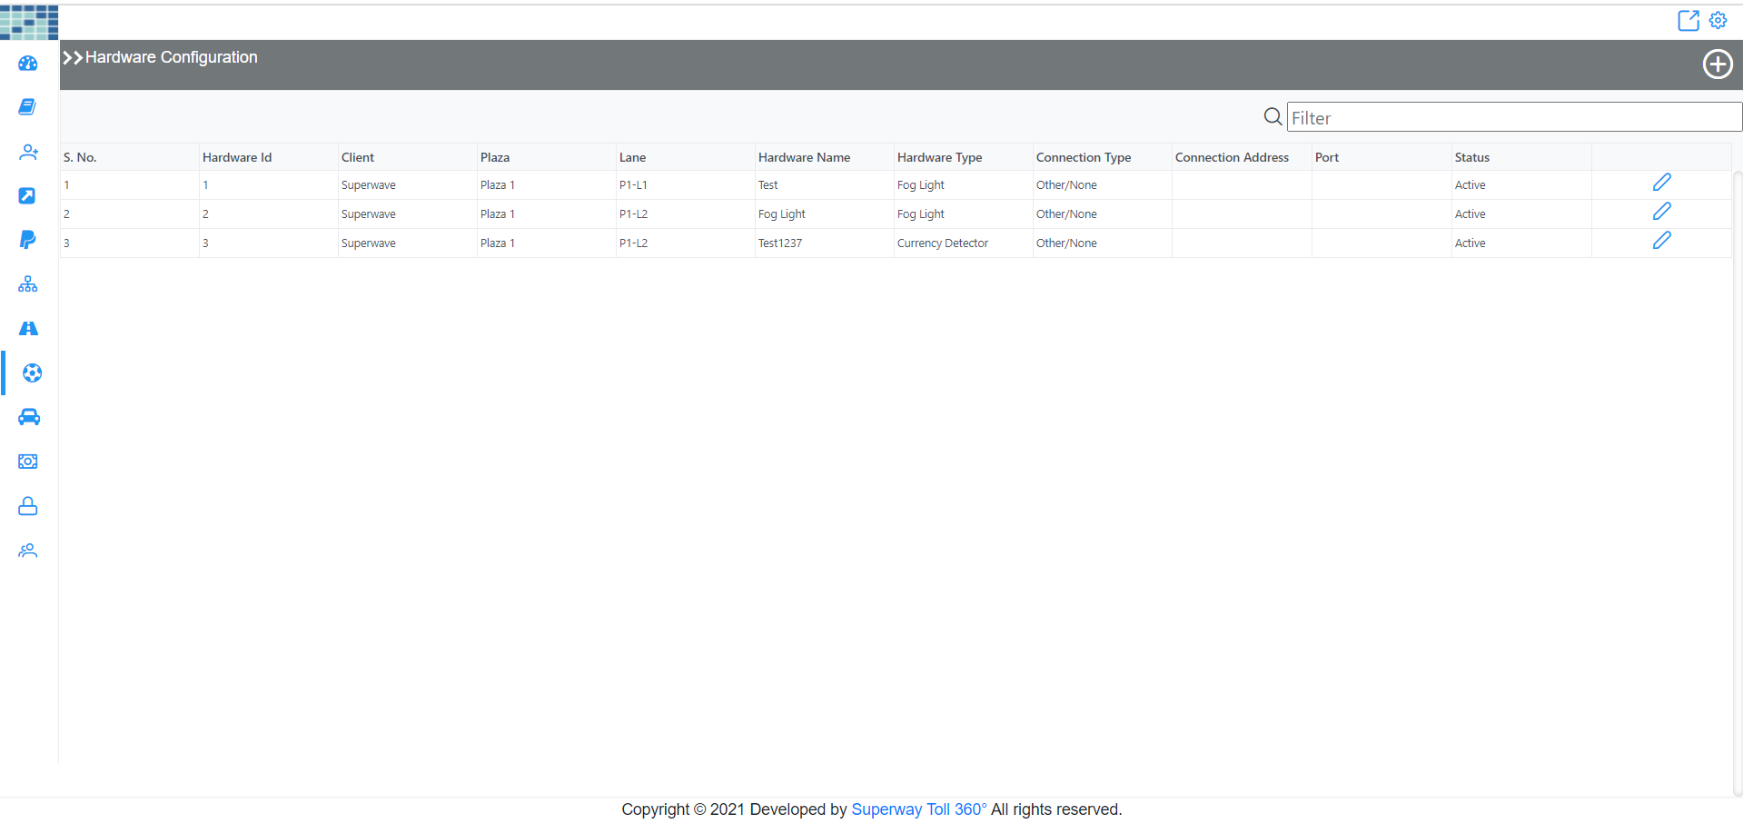

 |  | Bug Number 31 |  | Bug Number 33

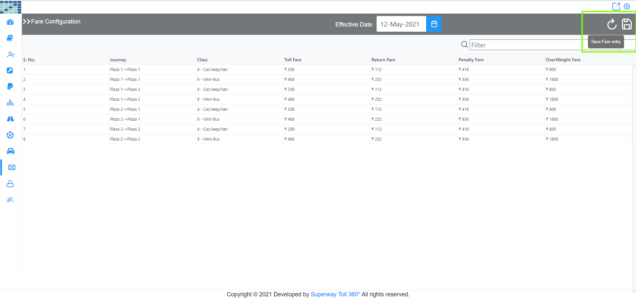
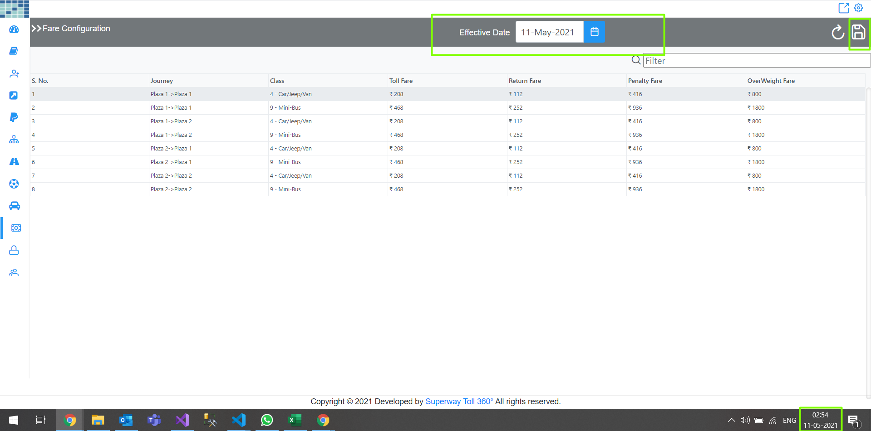
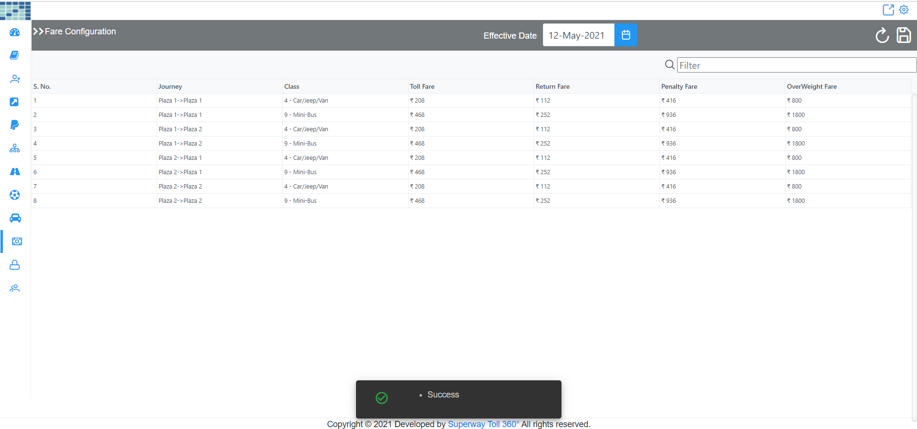
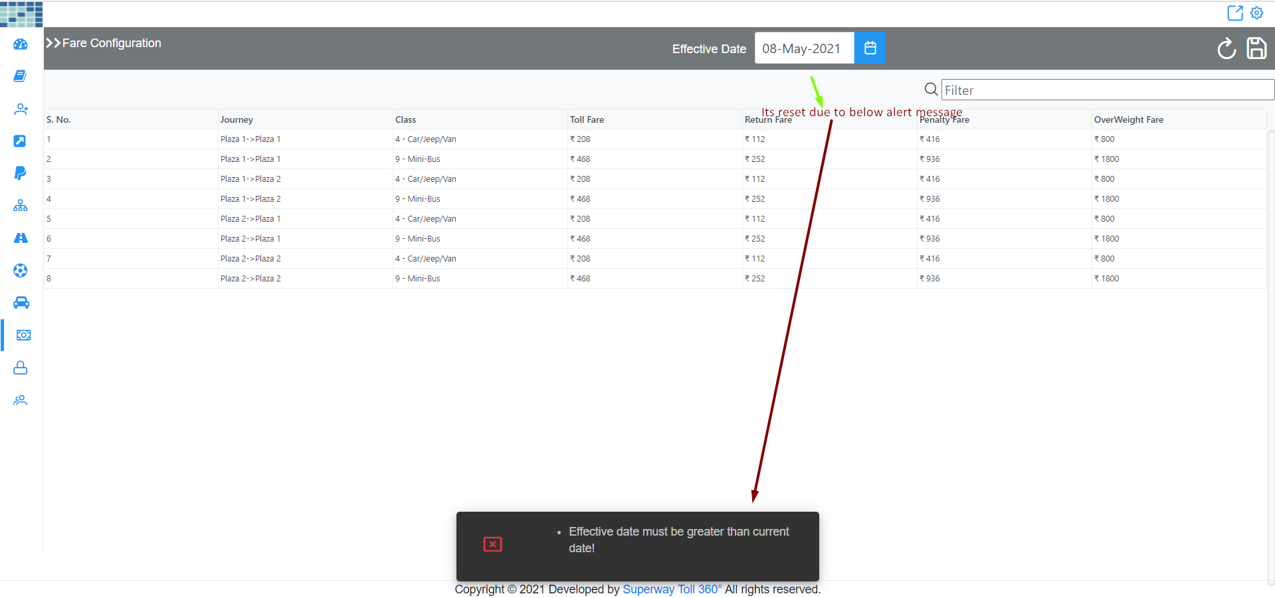

 |  | Bug Number 32 & 36 | Bug Number 32 & 36 |  |  | Bug Number 32 & 36
 |  |  |  |  | Bug Number 32 & 36

